5
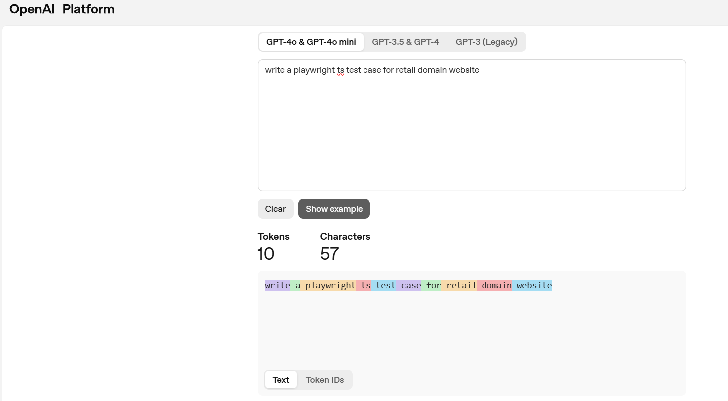
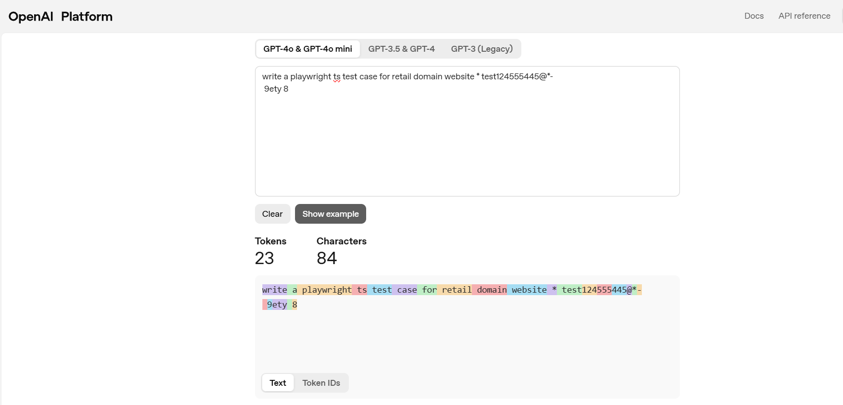
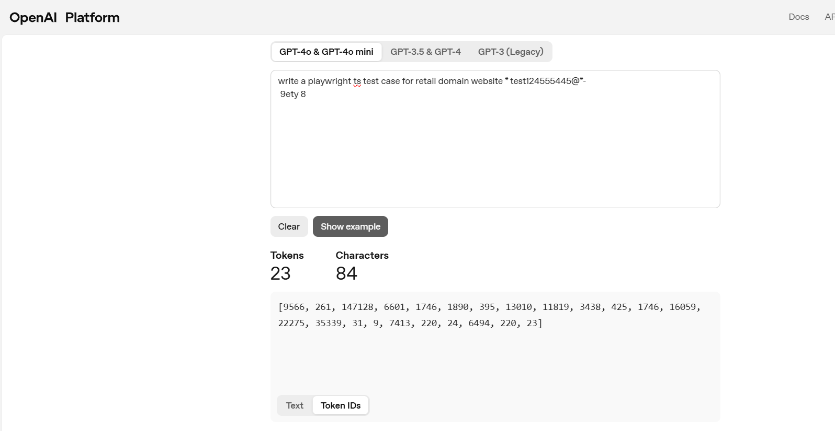
5)Use the tokenizer to calculate the tokens for different prompts (with space ,with special characters without space etc)
https://platform.openai.com/tokenizer

